Dashboard
Closeout Tracking Dashboard

 | Foremost | 0 | 0

 | Refresh the sheet Before Use see below

 | Right click on any of the filter and select Refresh button
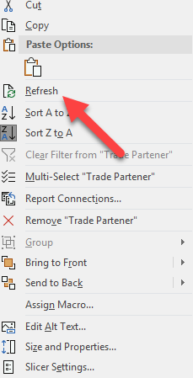

 | * For more filter please refer the guideline
 | (Click here) (you will see advanced filter from coloumn W to AI)

Total nos. VS Received Nos
 | Received# | Total# to be received
Mockups | 0 | 1
O&M Data | 0 | 47
Warranty | 0 | 59
Test-Reports | 0 | 29
Owner Training | 0 | 16
Attic Stock | 0 | 43
Keys | 0 | 1
As-Builts | 0 | 7
Other | 0 | 4

Guide
 |  | Guideline for more filter
 | For More filter :-
1) | Click on any slicer

2) | Go to slicer tool option on Ribbon (Snapshot 2) > Selection Pan > click on the filter with "-" sign (Snapshot 3)

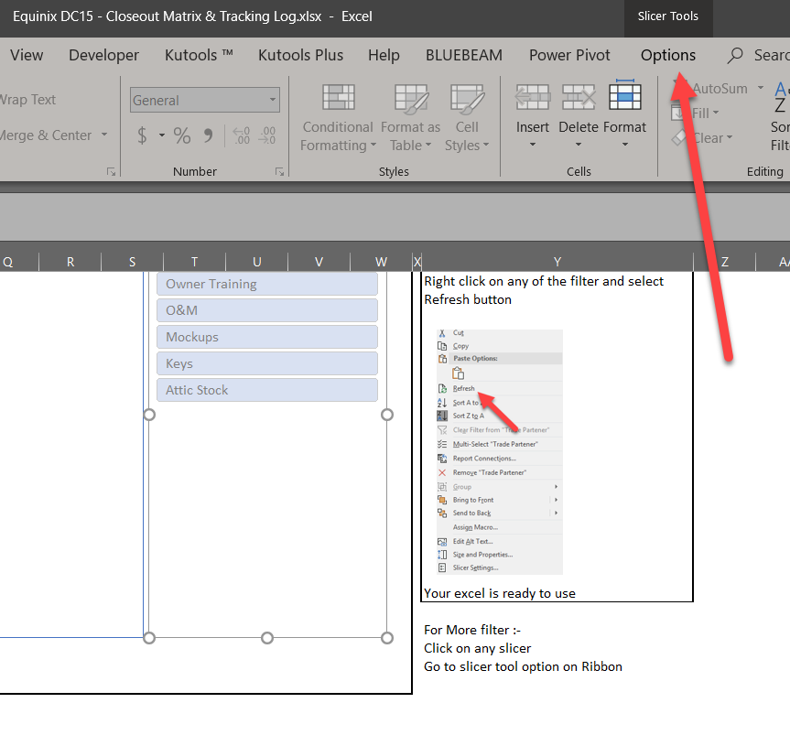
3)

 |  | Snap2

 |  |  | Snapshot 2

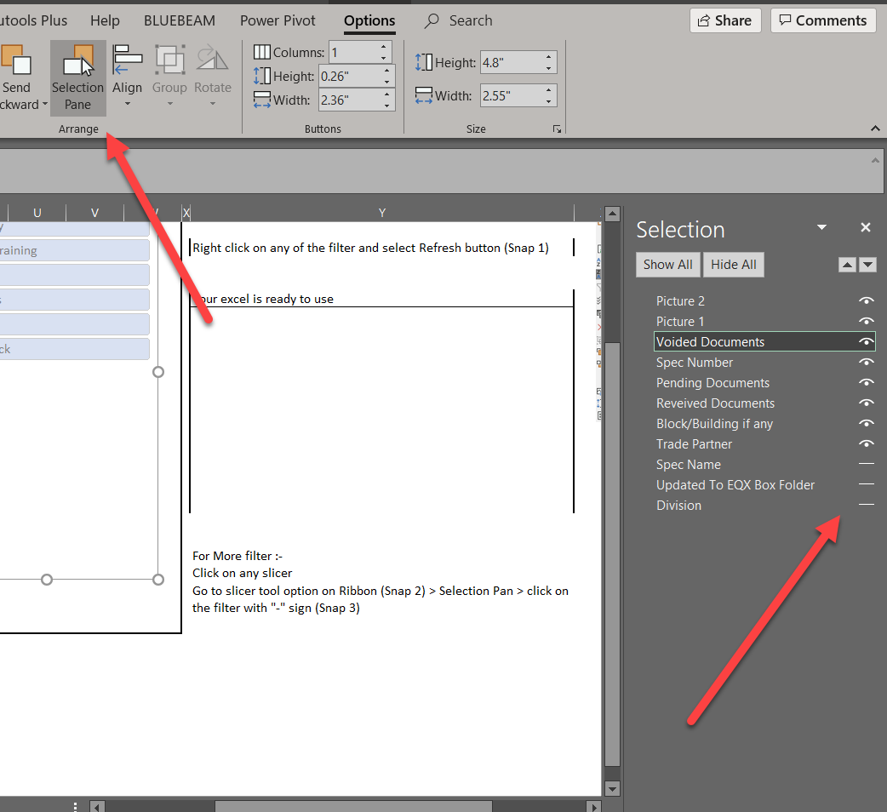
4)

 |  |  | Snapshot 3

